Sheet1
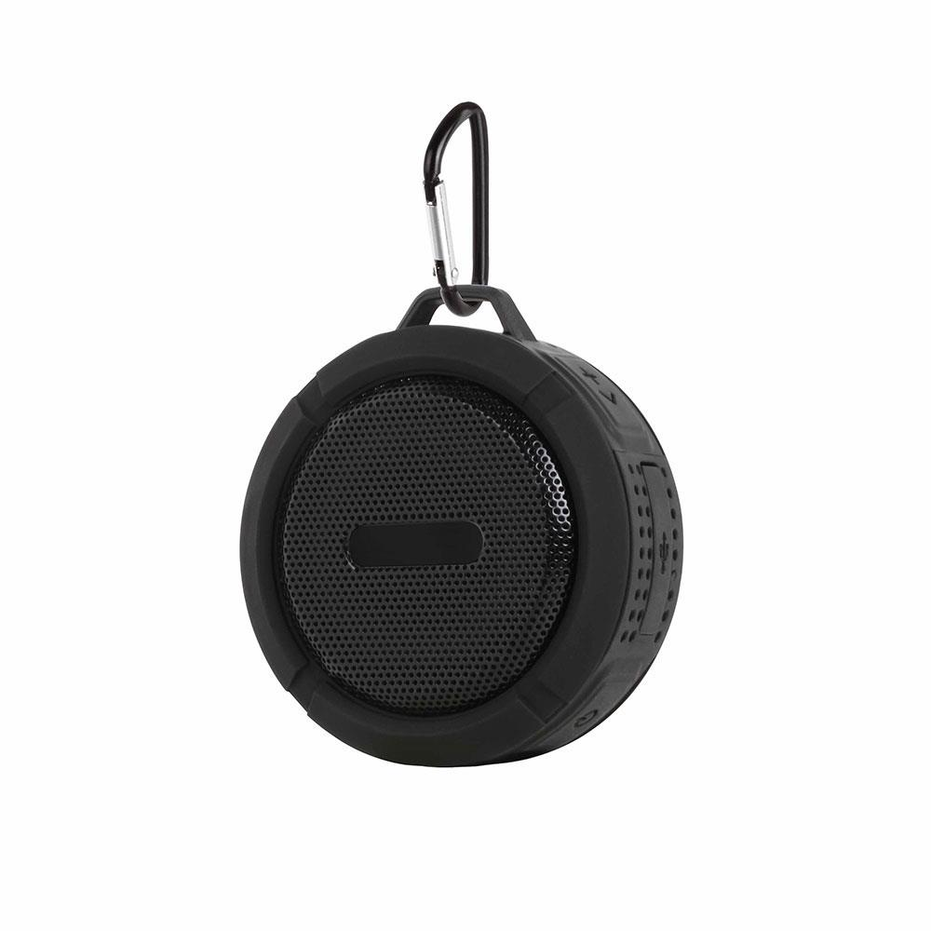
Picture | Item code | Description | Extra information | Restriction | Stock | Sales price EXW | Retail price | Barcode | Quantity PU | Quantity pallet | Pallet | Origin | Customs code | Item weight | Languages on package | Group
 | S-08285 | Clip sonic, waterproof speaker bluetooth black 5w | TES154N |  | 2858 | 5.5 | 33.99 | 3523930085055 | 60 | 1800 |  | CN | 8518210000 | 0 |  | Clip sonic

